Theory
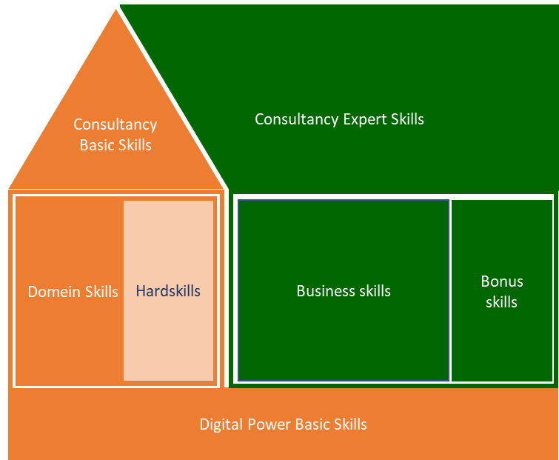
Digital Power Competentiehuis | Competentiegebieden

Results (DO NOT EDIT!!)
 | Digital Power Basic Skills | Digital Power Basic Skills | Digital Power Basic Skills | Digital Power Basic Skills | Digital Power Basic Skills | Digital Power Basic Skills | Domain Skills | Domain Skills | Domain Skills | Hardskills | Hardskills | Hardskills | Hardskills | Hardskills | Basic Consultancy Skills | Basic Consultancy Skills | Basic Consultancy Skills | Basic Consultancy Skills | Basic Consultancy Skills | Business Skills | Business Skills | Business Skills | Business Skills | Business Skills | Expert Consultancy Skills | Expert Consultancy Skills | Expert Consultancy Skills | Expert Consultancy Skills | Expert Consultancy Skills
 | Learning & reflection | Support & collaboration | Entrepreneurial & result-oriented | Customer-oriented | Knowledge sharing | Coaching & guidance | Communication developers/ analysts | Tagging trends in domain | Requirements | Analytics (management/ admin) knowledge | Tag management | Data structures, tagplan, datalayer | Debugging | Programming | Advising | Decisive & problem-solving | Interpersonal communication | Expectation management | Written and oral communication | Organizational and management identification | Strategic conceptualization | Project management | Change management | Leadership | Situational communication | Goal-oriented & effective communication | Decision-making | Persuading & influencing | Constructive (negative) feedback & bad news conversations
 | 1 | 2 | 3 | 4 | 5 | 6 | 1 | 2 | 3 | 1 | 2 | 3 | 4 | 5 | 1 | 2 | 3 | 4 | 5 | 1 | 2 | 3 | 4 | 5 | 1 | 2 | 3 | 4 | 5
Score current situation | #DIV/0! | #DIV/0! | #DIV/0! | #DIV/0! | #DIV/0! | #DIV/0! | #DIV/0! | #DIV/0! | #DIV/0! | #DIV/0! | #DIV/0! | #DIV/0! | #DIV/0! | #DIV/0! | #DIV/0! | #DIV/0! | #DIV/0! | #DIV/0! | #DIV/0! | #DIV/0! | #DIV/0! | #DIV/0! | #DIV/0! | #DIV/0! | #DIV/0! | #DIV/0! | #DIV/0! | #DIV/0! | #DIV/0!
Total average |  |  |  |  |  | #DIV/0! |  |  | #DIV/0! |  |  |  |  | #DIV/0! |  |  |  |  | #DIV/0! |  |  |  |  | #DIV/0! |  |  |  |  | #DIV/0!

Score ambition | #DIV/0! | #DIV/0! | #DIV/0! | #DIV/0! | #DIV/0! | #DIV/0! | #DIV/0! | #DIV/0! | #DIV/0! | #DIV/0! | #DIV/0! | #DIV/0! | #DIV/0! | #DIV/0! | #DIV/0! | #DIV/0! | #DIV/0! | #DIV/0! | #DIV/0! | #DIV/0! | #DIV/0! | #DIV/0! | #DIV/0! | #DIV/0! | #DIV/0! | #DIV/0! | #DIV/0! | #DIV/0! | #DIV/0!
Total average |  |  |  |  |  | #DIV/0! |  |  | #DIV/0! |  |  |  |  | #DIV/0! |  |  |  |  | #DIV/0! |  |  |  |  | #DIV/0! |  |  |  |  | #DIV/0!

Spread current versus ambition
 | Score ambition | Score current situation
Learning & reflection | 0.0 | 0.0
Support & collaboration | 0.0 | 0.0
Entrepreneurial & result-oriented | 0.0 | 0.0
Customer-oriented | 0.0 | 0.0
Knowledge sharing | 0.0 | 0.0
Coaching & guidance | 0.0 | 0.0
Communication developers/ analysts | 0.0 | 0.0
Tagging trends in domain | 0.0 | 0.0
Requirements | 0.0 | 0.0
Analytics (management/ admin) knowledge | 0.0 | 0.0
Tag management | 0.0 | 0.0
Data structures, tagplan, datalayer | 0.0 | 0.0
Debugging | 0.0 | 0.0
Programming | 0.0 | 0.0
Advising | 0.0 | 0.0
Decisive & problem-solving | 0.0 | 0.0
Interpersonal communication | 0.0 | 0.0
Expectation management | 0.0 | 0.0
Written and oral communication | 0.0 | 0.0
Organizational and management identification | 0.0 | 0.0
Strategic conceptualization | 0.0 | 0.0
Project management | 0.0 | 0.0
Change management | 0.0 | 0.0
Leadership | 0.0 | 0.0
Situational communication | 0.0 | 0.0
Goal-oriented & effective communication | 0.0 | 0.0
Decision-making | 0.0 | 0.0
Persuading & influencing | 0.0 | 0.0
Constructive (negative) feedback & bad news conversations | 0.0 | 0.0
Seniority per subcategory
 | Totaal
Digital Power Basic Skills | 0.0
Domain Skills | 0.0
Hardskills | 0.0
Basic Consultancy Skills | 0.0
Business Skills | 0.0
 | 0.0

Current skills versus ambition
 | Huidig | Ambitie
Digital Power Basic Skills | 0.0 | 0.0
Domain Skills | 0.0 | 0.0
Hardskills | 0.0 | 0.0
Basic Consultancy Skills | 0.0 | 0.0
Business Skills | 0.0 | 0.0
Expert Consultancy Skills | 0.0 | 0.0

Digital Power Basic Skills
Domain Skills
 | Current | Ambition
Communication developers/ analysts | 0.0 | 0.0
Tagging trends in domain | 0.0 | 0.0
Requirements | 0.0 | 0.0
Hardskills
 | Current | Ambition
Analytics (management/ admin) knowledge | 0.0 | 0.0
Tag management | 0.0 | 0.0
Data structures, tagplan, datalayer | 0.0 | 0.0
Debugging | 0.0 | 0.0
Programming | 0.0 | 0.0

Basic Consultancy Skills
Business Skills
Expert Consultancy Skills

